Sample Report Form
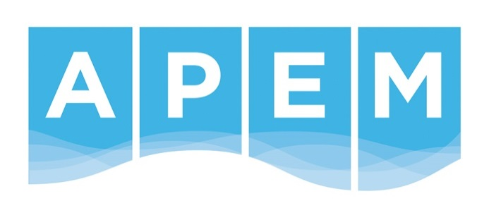

 | APEM Ltd. |  | APEM Ltd.
 | The Technopole Centre |  | Diamond Centre
 | Edinburgh Technopole |  | Works Road
 | Milton Bridge |  | Letchworth
 | Nr Penicuik, EH26 0PJ |  | Herts, SG6 1LW

Marine Benthic Invertebrate Analysis Report
The analysis on adjacent tab(s) of this workbook has been carried out by APEM Ltd under method MINV-01.

Client Name: | Benjamin Green
Address: | Natural England
 | Suite D, Unex House
 | Bourges Boulevard
 | Peterborough
 | PE1 1NG

Phone Number: | 0300 060 4896 - 07825 11 37 31

P.O. Number: | 901927

Prepared by: | Nicola Pennisi | Letchworth Lab. Manager

Approved and issued by: | Carol Milner | Laboratories Manager

Issue Date: | 2015-12-09

If you have any comments or complaints regarding this or any other piece of work conducted by APEM Ltd, please contact D. Slattery (Quality Manager) d.slattery@apemltd.co.uk

 |  |  |  | APEM Report No. 414268-01

