23.WETLAND
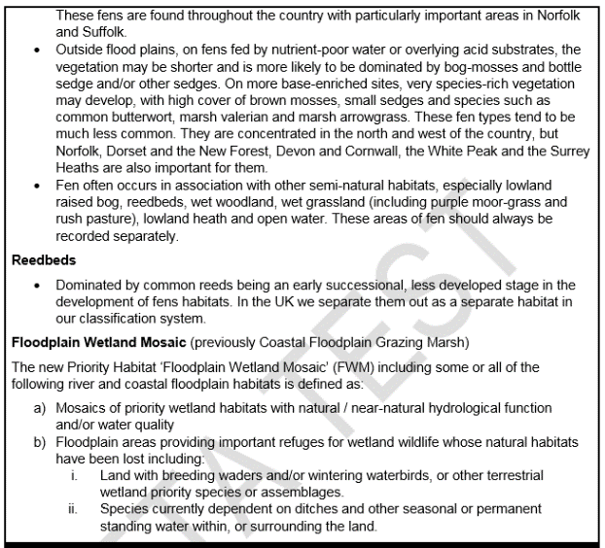
Condition Sheet: WETLAND Habitat Type
UKHab Habitat Type(s)
Grassland - Floodplain wetland mosaic (CFGM) [Use this condition sheet unless associated with a species rich grassland sward, reedbed or fen, in which case record and assess as the relevant habitat type (plus Ditch condition sheet for any ditches)]. Wetland - Blanket bog Wetland - Depression on peat substrates (H7150) Wetland - Fens (upland and lowland) Wetland - Lowland raised bog Wetland - Oceanic valley mire [1] (D2.1) Wetland - Purple moor grass and rush pastures Wetland - Reedbeds Wetland - Transition mires and quaking bogs (H7140)
Habitat Description
For Oceanic valley mires - see EUNIS
Floodplain wetland mosaic (CFGM) - Where an area is included within the (soon to be published) “Floodplain Wetland Mosaic Habitat Inventory” as extant habitat OR included within the “Floodplain with potential for restoration to Wetland Mosaic” layer it should be recorded within the metric as FWM habitat. In these cases the ditches form an integral part of the habitat and should not be recorded separately as linear features in the Rivers & Streams part of the metric. If it is NOT included within either layer of the inventory it should be assessed, and entered into the metric, as the appropriate habitat (e.g. modified grassland, cereal crop, temporary lakes, ponds and pools). Any ditches should be recorded separately within the River and Streams part of the metric. Until this new inventory is published, you should use existing inventories for floodplain habitats, including the Coastal and Floodplain Grazing Marsh layer of the Priority Habitat Inventory (England) and any local habitat data.
https://data.gov.uk/dataset/4b6ddab7-6c0f-4407-946e-d6499f19fcde/priority-habitat-inventory-england
For all other wetland habitats see
UKHab
Condition Assessment Criteria
CORE CRITERIA - Applicable to all wetland habitat types:
1 | The water table is at or near the surface throughout the year, this could be open water or saturation of soil at the surface. There is no artificial drainage, unless specifically to maintain water levels as specified above. NB - this criterion is non-negotiable for achieving good condition.
2 | The appearance and composition of the vegetation closely matches characteristics of the specific wetland habitat type (see definitions and links above). Indicator species for the specific wetland habitat type1 are very clearly and easily visible.
3 | The water supplies (groundwater, surfacewater and/or rainwater) to the wetland are of good water quality, with clear water (low turbidity) indicating no obvious signs of pollution.
4 | Cover of scrub and scattered trees less than 10%.
5 | Cover of bare ground less that 5%.
6 | There is an absence of invasive non-native species (as listed on Schedule 9 of WCA, 1981) and undesirable species1 make up less than 5% of ground cover.
ADDITIONAL CRITERION - only applicable to Fen and Purple moor grass and rush pasture habitat type:
7a | No more than 25% of the fen area has a continuous cover of litter (i.e. dead vegetation) preventing regeneration.
ADDITIONAL CRITERION - only applicable to Bog habitat type:
7b | Sphagnum and cottongrasses are at least frequent. Cover of ericaceous dwarf-shrubs2 is less than 75%.
ADDITIONAL CRITERION - only applicable to Reedbed habitat type:
7c | The reedbed has a diverse structure with between 60 and 80% reeds. Other areas may include open water (at least 10%), species-rich fen and/or wet woodland.
ADDITIONAL CRITERION - only applicable to Floodplain wetland mosaic (CFGM) habitat type:
7d | All ditches recorded within the habitat achieve Good condition as assessed using the Ditch condition sheet.
Condition Assessment Result |  | Condition Assessment Score
If 6 criteria assessed:
• Passes 5 or 6 of 6 core criteria, INCLUDING non-negotiable core criterion 1 |  | Good (3)
• Passes 3 or 4 of 6 core criteria; OR • Passes 5 of 6 core criteria EXCLUDING non-negotiable core criterion 1 |  | Moderate (2)
• Passes 0, 1 or 2 of 6 core criteria |  | Poor (1)
If 7 criteria assessed:
• Passes 5 or 6 of 6 core criteria, INCLUDING non-negotiable core criterion 1; AND • Passes additional criterion 7a, 7b, 7c OR 7d where applicable |  | Good (3)
• Passes 4 or 5 of 7 criteria; OR • Passes 6 of 7 criteria EXCLUDING either non-negotiable core criterion 1 or additional criterion 7a, 7b, 7c OR 7d |  | Moderate (2)
• Passes 0, 1, 2 or 3 of 7 criteria |  | Poor (1)
Notes
Footnote 1 - For fens, specify what fen type is present - alkaline, neutral, acidic/eutrophic, mesotrophic, oligotrophic. Footnote 2 - Species considered undesirable for this habitat type include: creeping thistle Cirsium arvense, spear thistle Cirsium vulgare, common nettle Urtica dioica, docks Rumex spp., cherry laurel Prunus laurocerasus, common ragwort Jacobaea vulgaris. Footnote 3 - Ericaceous dwarf shrubs include: crowberry Empetrum nigrum, cowberry Vaccinium vitis-idaea, bog bilberry Vaccinium uliginosum, cranberry Vaccinium oxycoccos, heather Calluna vulgaris, cross-leaved heath Erica tetralix, bog-rosemary Andromeda polifolia, bog myrtle Myrica gale.

