Sheet1
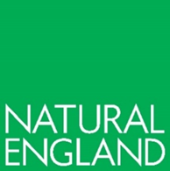

Copyright
This publication is published by Natural England under the Open Government Licence v3.0 for public sector information. You are encouraged to use, and reuse, information subject to certain conditions.
Natural England images and photographs are only available for non-commercial purposes. If any other photographs, images, or information such as maps, or data cannot be used commercially this will be made clear within the report.
For information regarding the use of maps or data see our guidance on how to access Natural England’s maps and data.
© Natural England 2024
Catalogue code: NECR473
Citation
Abrehart Ecology. 2023. Tilbury Aquatic Macroinvertebrate Survey (2022) Report. NECR530 Natural England

