1. Timeline
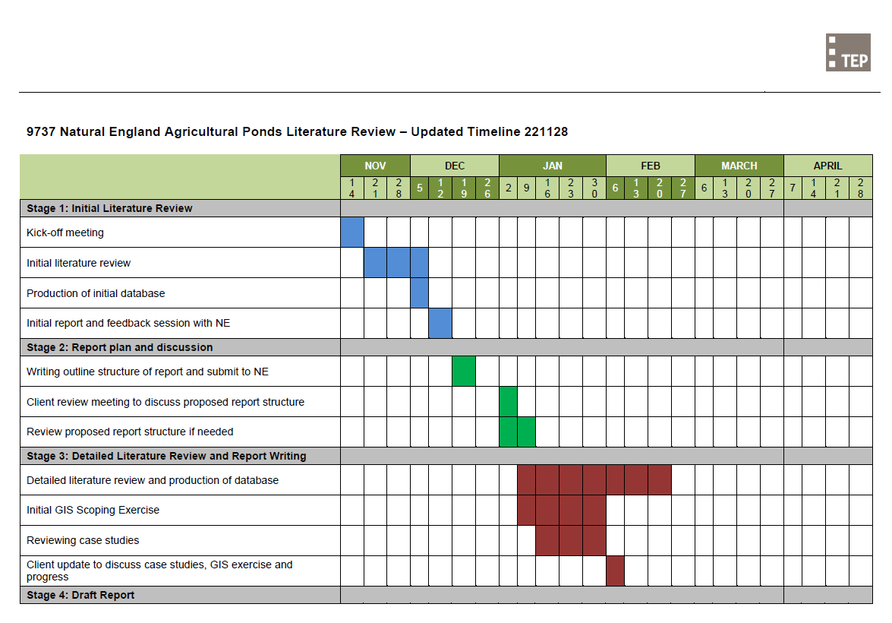
9737 Natural England Agricultural Ponds Literature Review

1. Timeline: Updated 28/11/2022

